AE.000246
dcr
DATE | 2025-05-11 |  |  | WASH:CODE |  | AE.000246
FINISHER:CODE |  |  |  |  |  | DRYPROCESS.AND WET PROCES
MODEL:CODE
SAP CODE | AEMN006932
FABRIC:CODE | DNM:CAPRICE ARZURE BLUE
QUANTITY | 1 PCS
ROLL:CODE | ROLL:515378
FAB. WEIGHT
UNITS
TYPE MACHINE
DRYING TIME (Min.) :
COMMENTS:
PAGE | FREE DV MID/DARK |  |  | WASH:SUPERVISOR:MODA
 | E | of | 1 |  |  |  | Supplier | PH Value
ACTION |  | TEMP | Liters | AMT | UNITS | Chemicals
GRINDING | WASH ASPER PICTURES

DESIZE |  | 50 |  | 1 | GRM | LAVA SPERSE
RINSE X2 | 2 | RT |  | 1 | GRM | LUBRICANT

PROCESS LASER AKTIVATOR | 10 |  |  |  | GRM | LAVA CON LSB. %25
DRAIN&OPEN | 5 |  |  |  | GRM | LAVA CON OZN %25
EXTRACT&DRY. (3 MINT |  |  |  |  | GRM | WATER %50
DRY:TEMP. C. 60
LASER.WHISKER
LASER HANSAD
OZON %50. 5 MUNITES
RINSE X3 | 2 | 50

WATER FREE ENZYME WASHING |  |  |  | 30 | GRM | LAVA CELL NSY
 |  |  |  | 5 | K/G | NEW STONE
RINSE | 2 | RT |  | 200 | GRM | KKT POWDER

EXTRACT&DRY
HYPO/PP SPRAY |  |  |  | 10 | GRM | PERMENGANATE
 |  |  |  | 200 | GRM | HYPO
 |  |  |  | 800 | GRM | WATER
 | RANDOM BLEACH
 |  |  |  |  | GRM | PERMANGANAT
 |  |  |  |  | K/G | HYPO
 |  |  |  |  | K/G | TOWEL
 |  |  |  |  | K/G | WATER

NEUTRALIZATION | 5 | RT |  |  | GRM | ROYACTIVEX KS
RINSE | 2 | RT

CLEAN UP |  | 55 |  |  | M/L | PEROXIDE
RINSE X2 | 2 | RT |  |  | GRM | NEAR CAND OP EXTRA

BIOPOLISHING |  | 55 |  |  | GRM | LAVA CELL BNG
 |  |  |  |  | GRM | A.ACID. PH/55
RINSE | 2 | RT

WASH TINT |  | 40 |  |  | M/L | BROWN BL
 |  |  |  |  | M/L | BROWN GGL
DRAIN |  |  |  |  | GRM | SALT

WASH SOFT |  | RT |  |  | K/G | NEARSopht/WO3
EXTRACT&DRY |  |  |  |  | GRM | SITRIC.ACID PH/5
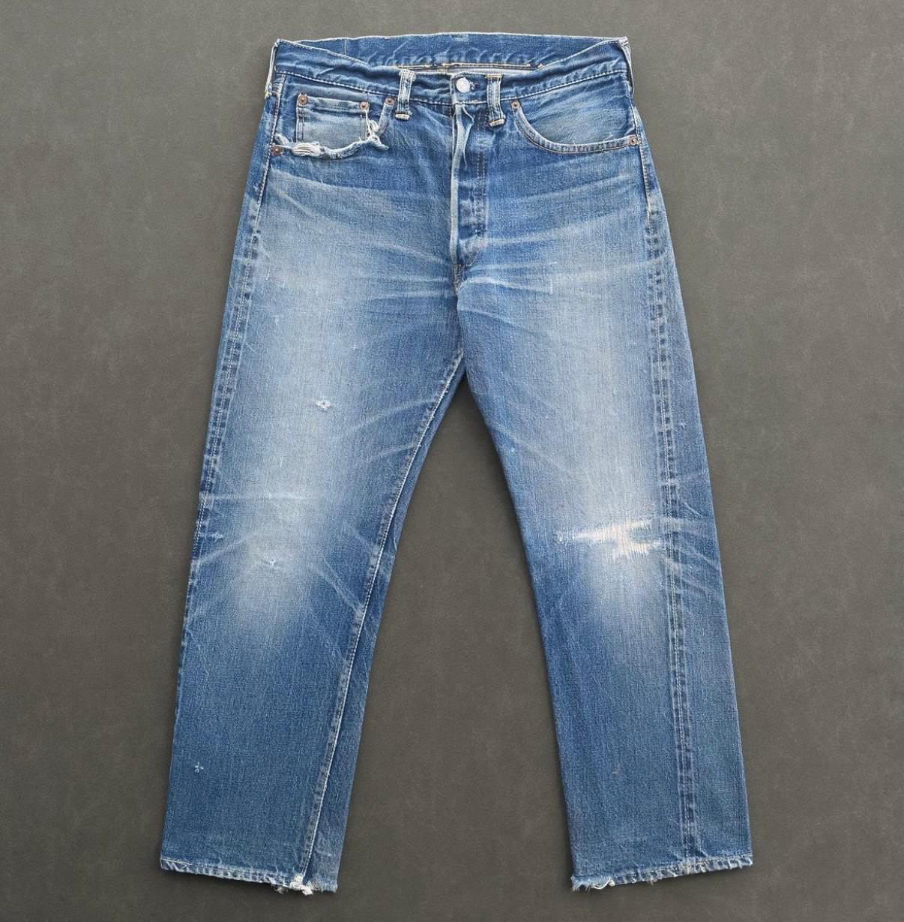
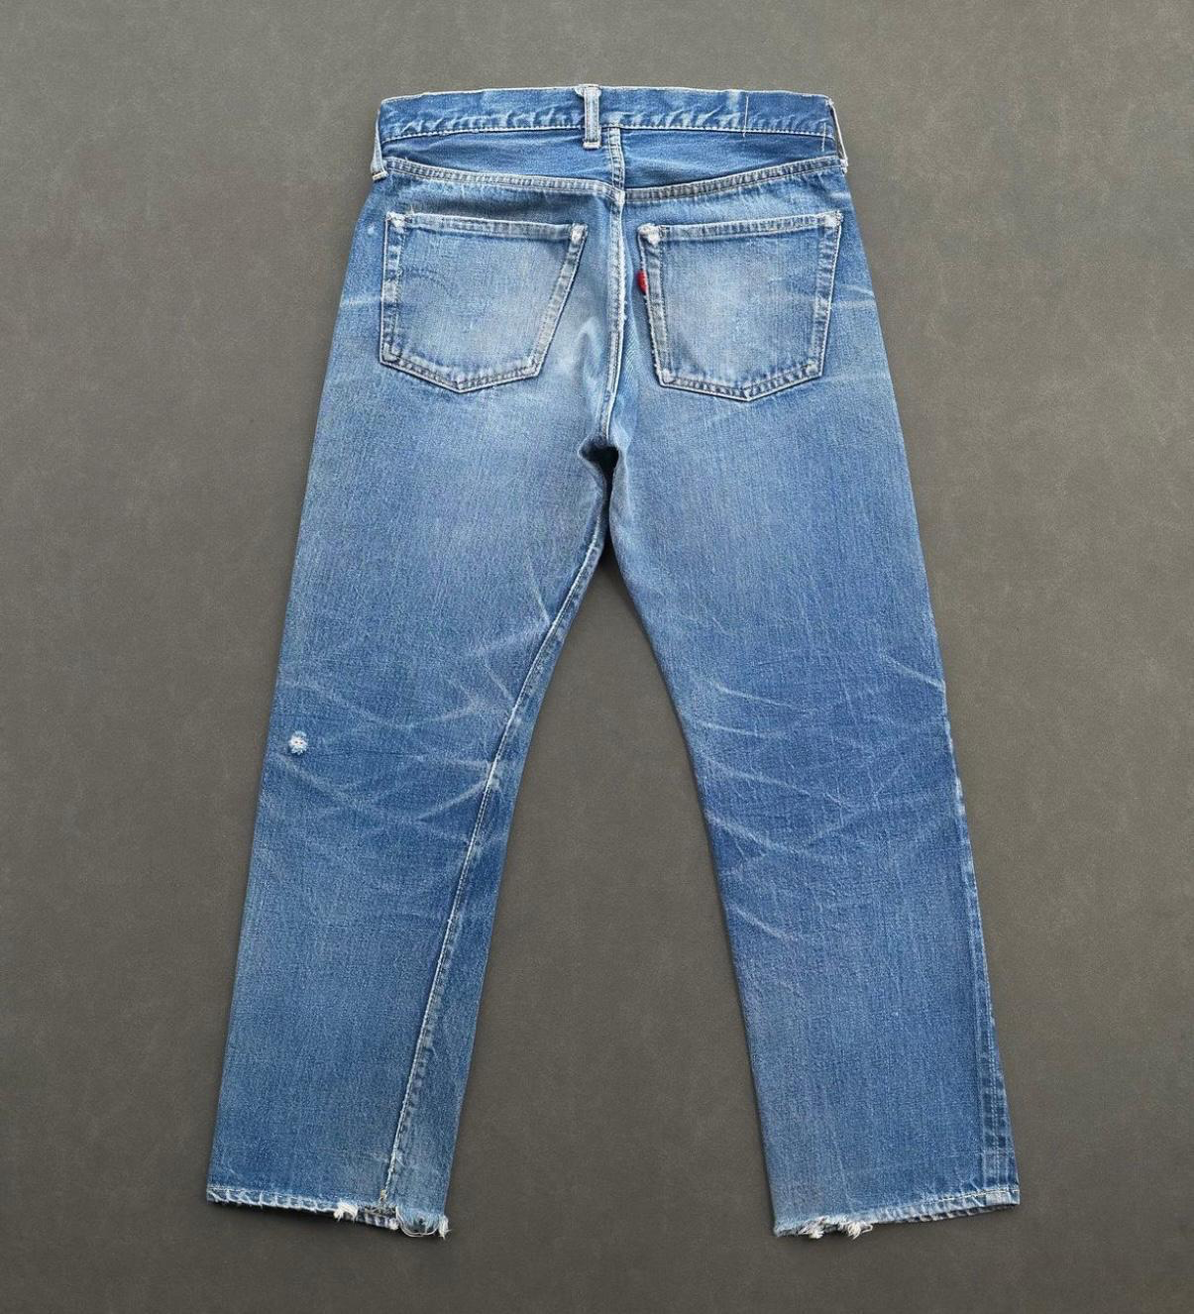
 |  |  | DAMAGE FINAL

